Region Map
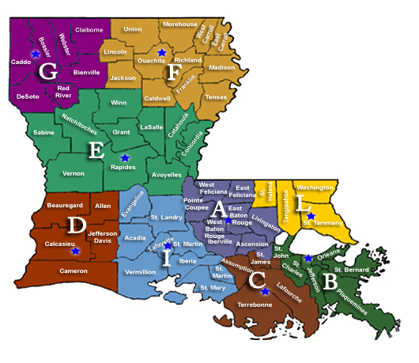
NOTE: For purposes of the contract, the dividing line for St. James and St. John parishes shall be the Mississippi River.

